Indices

 | Iraq Stock Exchange
 | Bulletin No (60)
 | ISX Trading Indices of Thursday 9/4/2026

 | Traded Volume and OTC |  | 1,594,603,358 |  | Traded Value and OTC |  | 1,417,891,487 |  | Traders | 1472

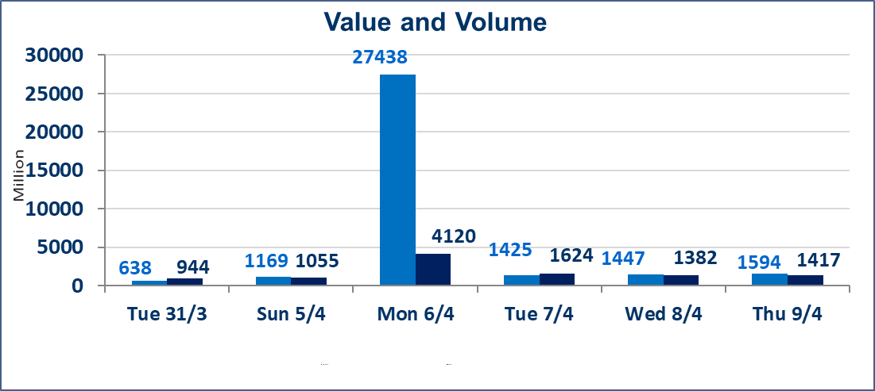
 | ISX Index 60 |  |  | 988.43 | ISX Index 15 |  |  | 1272.22
 | Previous ISX Index60 |  |  | 988.01 | Previous ISX Index15 |  |  | 1264.42
 | Change % |  |  | 0.04 | Change % |  |  | 0.62
 | Change |  |  | 0.42 | Change |  |  | 7.80

 | Listed Companies | 104 | OTC | 14 | Non Traded listed | 41 | OTC | 12
 | Traded Listed Companies | 51 | OTC | 2 | Higher Companies |  |  | 18
 | GAM Companies |  |  | 3 | Lower Companies |  |  | 14
 | Suspended Companies |  |  | 9
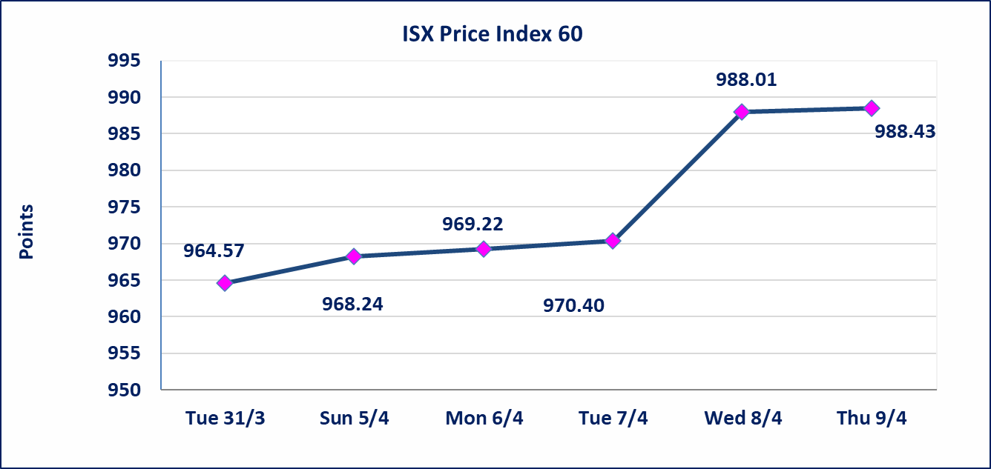
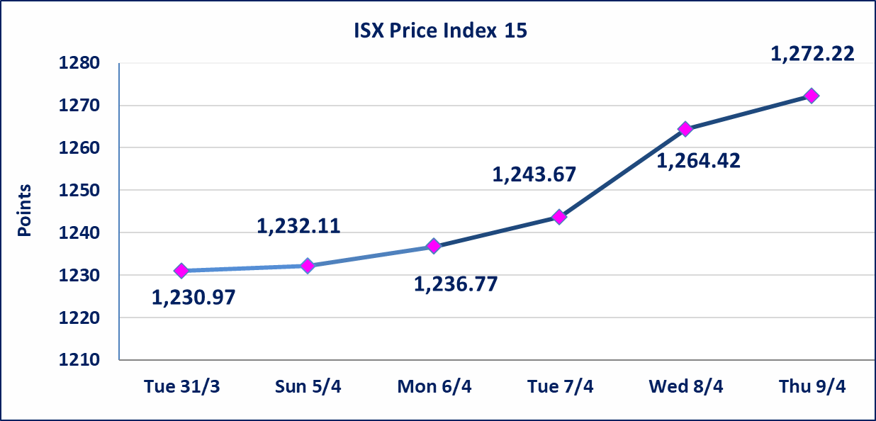

Al-Alwiya P.O . 3607 Mobile: 07711211522 - 07270094594 - 07834000034 E-mail: info-isx@isx-iq.net Web site:www.isx-iq.net

Top 5
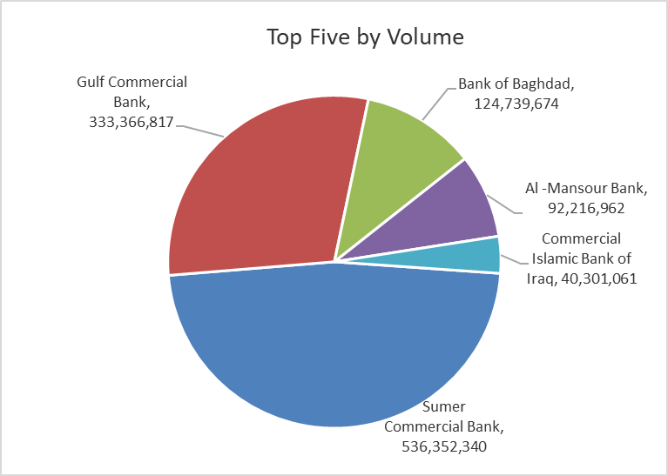
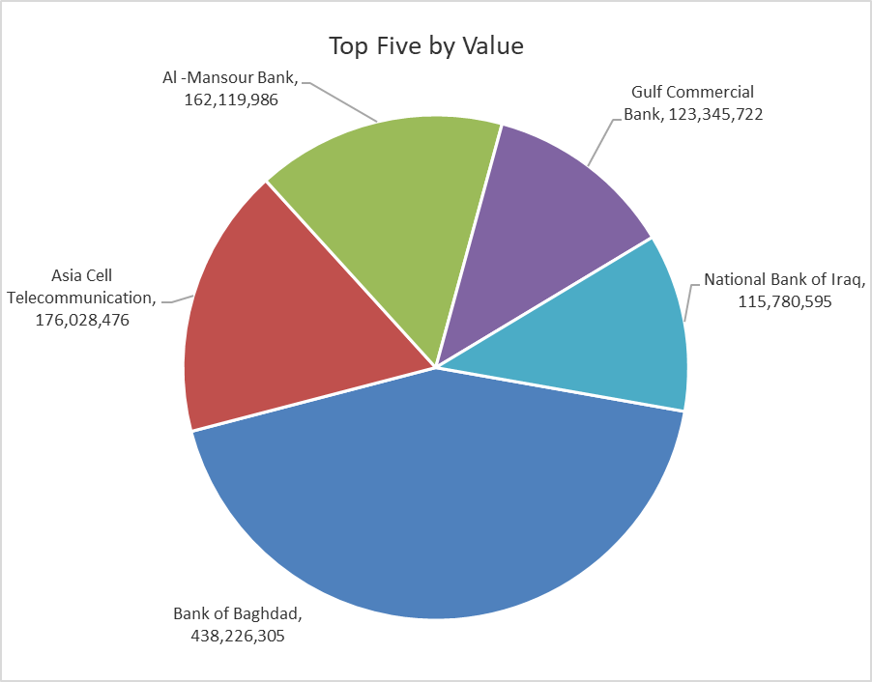

ISX top ganing and losing companies
Thursday 9/4/2026
 | Gainers |  |  |  | Losers
 | Company Name | Closing Price | Change (%) | Traded Volume | Company Name | Closing Price | Change (%) | Traded Volume
 | Al-Mosul for funfairs | 6.890 | 4.87 | 1,500 | Al-Hamraa for Insurance | 5.510 | -5.00 | 53,213
 | Babil Animal & Vegetable Production | 7.650 | 4.79 | 754,545 | Metallic Industries and Bicycles | 1.950 | -4.88 | 43,860
 | Economy Bank | 0.230 | 4.55 | 10,000 | General Transportation | 1.620 | -4.71 | 108,261
 | Al-Kindi of Veterinary Vaccines | 2.520 | 2.86 | 210,000 | Kharkh Tour Amuzement City | 4.300 | -4.44 | 291,325
 | Gulf Commercial Bank | 0.370 | 2.78 | 333,366,817 | AL-Nukhba for Construction | 0.710 | -4.05 | 66,485
 | The most active companies in term of traded volume and value

 | Traded Volume |  |  |  | Traded Value
 | Company Name | Closing Price | Change (%) | Traded Volume | Company Name | Closing Price | Change (%) | Traded Value
 | Sumer Commercial Bank | 0.200 | 0.00 | 536,352,340 | Bank of Baghdad | 3.530 | 1.44 | 438,226,305
 | Gulf Commercial Bank | 0.370 | 2.78 | 333,366,817 | Asia Cell Telecommunication | 15.860 | 1.67 | 176,028,476
 | Bank of Baghdad | 3.530 | 1.44 | 124,739,674 | Al -Mansour Bank | 1.740 | 0.00 | 162,119,986
 | Al -Mansour Bank | 1.740 | 0.00 | 92,216,962 | Gulf Commercial Bank | 0.370 | 2.78 | 123,345,722
 | Commercial Islamic Bank of Iraq | 0.670 | -1.47 | 40,301,061 | National Bank of Iraq | 5.080 | 0.00 | 115,780,595

Non Iraqi

Iraq Stock Exchange
Non Iraqis' Bulletin Thursday April 9 2026
Regular Market

Non Iraqi Trading of Regular Market (Buy)
Company Names | Code | No.of trades | Traded Shares | Trading Volume
Banks Sector
Gulf Commercial Bank | BGUC | 7 | 100,000,000 | 37,000,000
Total Bank sector |  | 7 | 100,000,000 | 37,000,000
Grand Total |  | 7 | 100,000,000 | 37,000,000

Non Iraqi Trading of Regular Market (Sell)
Company Names | Code | No.of trades | Traded Shares | Trading Volume
Banks Sector
Commercial Bank of Iraq | BCOI | 10 | 8,613,451 | 5,771,012
Bank Of Baghdad | BBOB | 2 | 33,460,546 | 117,111,911
National Bank Of Iraq | BNOI | 13 | 3,600,000 | 18,360,000
Gulf Commercial Bank | BGUC | 1 | 20,000,000 | 7,400,000
Total Bank sector |  | 26 | 65,673,997 | 148,642,923
Grand Total |  | 26 | 65,673,997 | 148,642,923

Not Trading Bonds

Iraq Stock Exchange
Thursday 9/4/2026
Not Trading Bonds Bulletin
Bond type | Publish type | Code | last trading price | immortilize date
Banaa Bonds /Million ID | Second | CB20 | 964,981 | 19/12/2025
Eamar Bonds /Million ID | First | CB30 | 1,001,095 | ــــــــــــــــ
Eamar Bonds /Million ID | Second | CB40 | ــــــــــــــــ | ــــــــــــــــ
Eamar Bonds /500 Thousand ID | Third | CB45 | ــــــــــــــــ | ــــــــــــــــ
Eamar Bonds /Million ID | Third | CB50 | ــــــــــــــــ | ــــــــــــــــ
Injaz Bonds /500 Thousand ID | First | CB55 | ــــــــــــــــ | ــــــــــــــــ
Injaz Bonds /Million ID | First | CB60 | ــــــــــــــــ | ــــــــــــــــ
Injaz Bonds /500 Thousand ID | Second | CB65 | 503,793 | ــــــــــــــــ
Injaz Bonds /Million ID | Second | CB70 | 965,050 | ــــــــــــــــ
Injaz Bonds /500 Thousand ID | Third | CB75 | ــــــــــــــــ | ــــــــــــــــ
Injaz Bonds /Million ID | Third | CB80 | 978,182 | ــــــــــــــــ
National Bonds/Million ID | First | CB90 | ــــــــــــــــ | ــــــــــــــــ
National Bonds/500 Thousand ID | Second | CB95 | ــــــــــــــــ | ــــــــــــــــ
National Bonds/Million ID | Second | CB100 | ــــــــــــــــ | ــــــــــــــــ

